Puma Jackets
Image | Range Name | Grade | Stock Code | Gender | Size Code | Quantity | Total € | XXS | XS | S | M | L | XL | XXL | XXXL
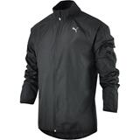 | PUMA (12)PE_Running_Wind Jkt black, | A | 513830-01 | M | UK | 6 | 0.00 € |  |  | 1 | 2 | 1 | 2
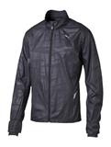 | PUMA (18) Graphic Woven Jacket | A | 513062-01 | M | UK | 168 | 0.00 € |  | 27 | 56 | 45 | 35 | 5
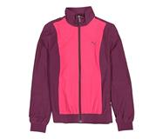 | PUMA (14) WOVEN SUIT JACKET | A | 830818-09 | W | UK | 500 | 0.00 € |  | 14 | 80 | 275 | 89 | 40 | 2
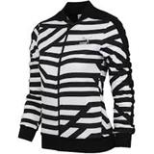 | PUMA (8) AOP TRACK JACKET | A | 570346-02 | W | UK | 160 | 0.00 € | 20 | 40 | 35 | 24 | 23 | 18
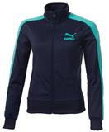 | PUMA T7 Track Jacket | A | 557906-98 | W | UK | 303 | 0.00 € |  |  | 68 | 125 | 110
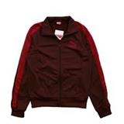 | PUMA T7 Track Jacket | A | 557906-99 | W | UK | 348 | 0.00 € |  |  | 84 | 168 | 96
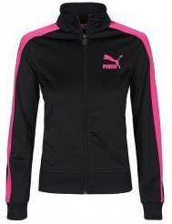 | PUMA T7 TRACK JACKET | A | 557906-94 | W | UK | 208 | 0.00 € |  |  |  | 139 | 69
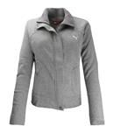 | PUMA CORE SWEAT JACKET | A | 810678-02 | W | UK | 438 | 0.00 € |  | 33 | 104 | 98 | 119 | 84
 |  |  | Totals |  |  | 2131 |  | 20 | 114 | 428 | 876 | 542 | 149 | 2
 |  |  |  |  |  |  | 0.00 €

